Sheet1
Item | Amount | By | Picture
MSP430 | 1 | Adam | 
MSP430 | 1 | Brandon | 
MSP430 | 1 | Mercedes | 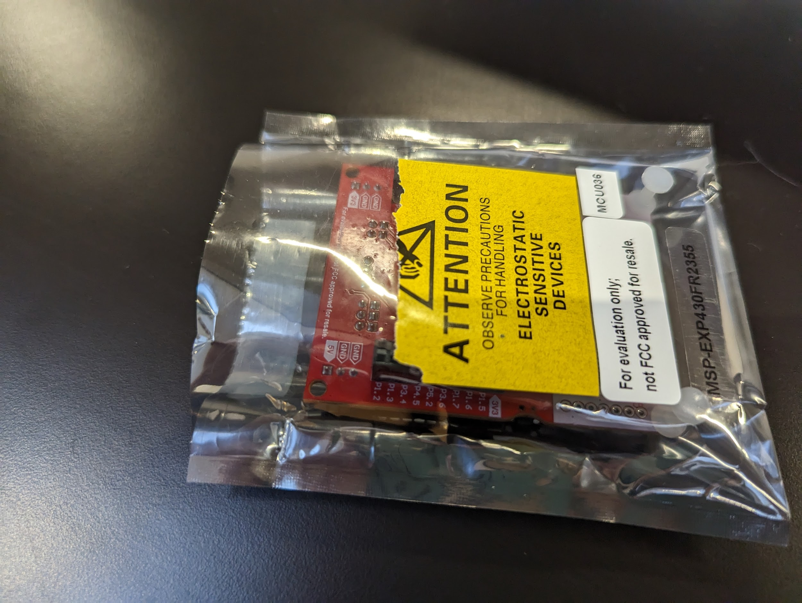
MSP430 | 1 | Manny | 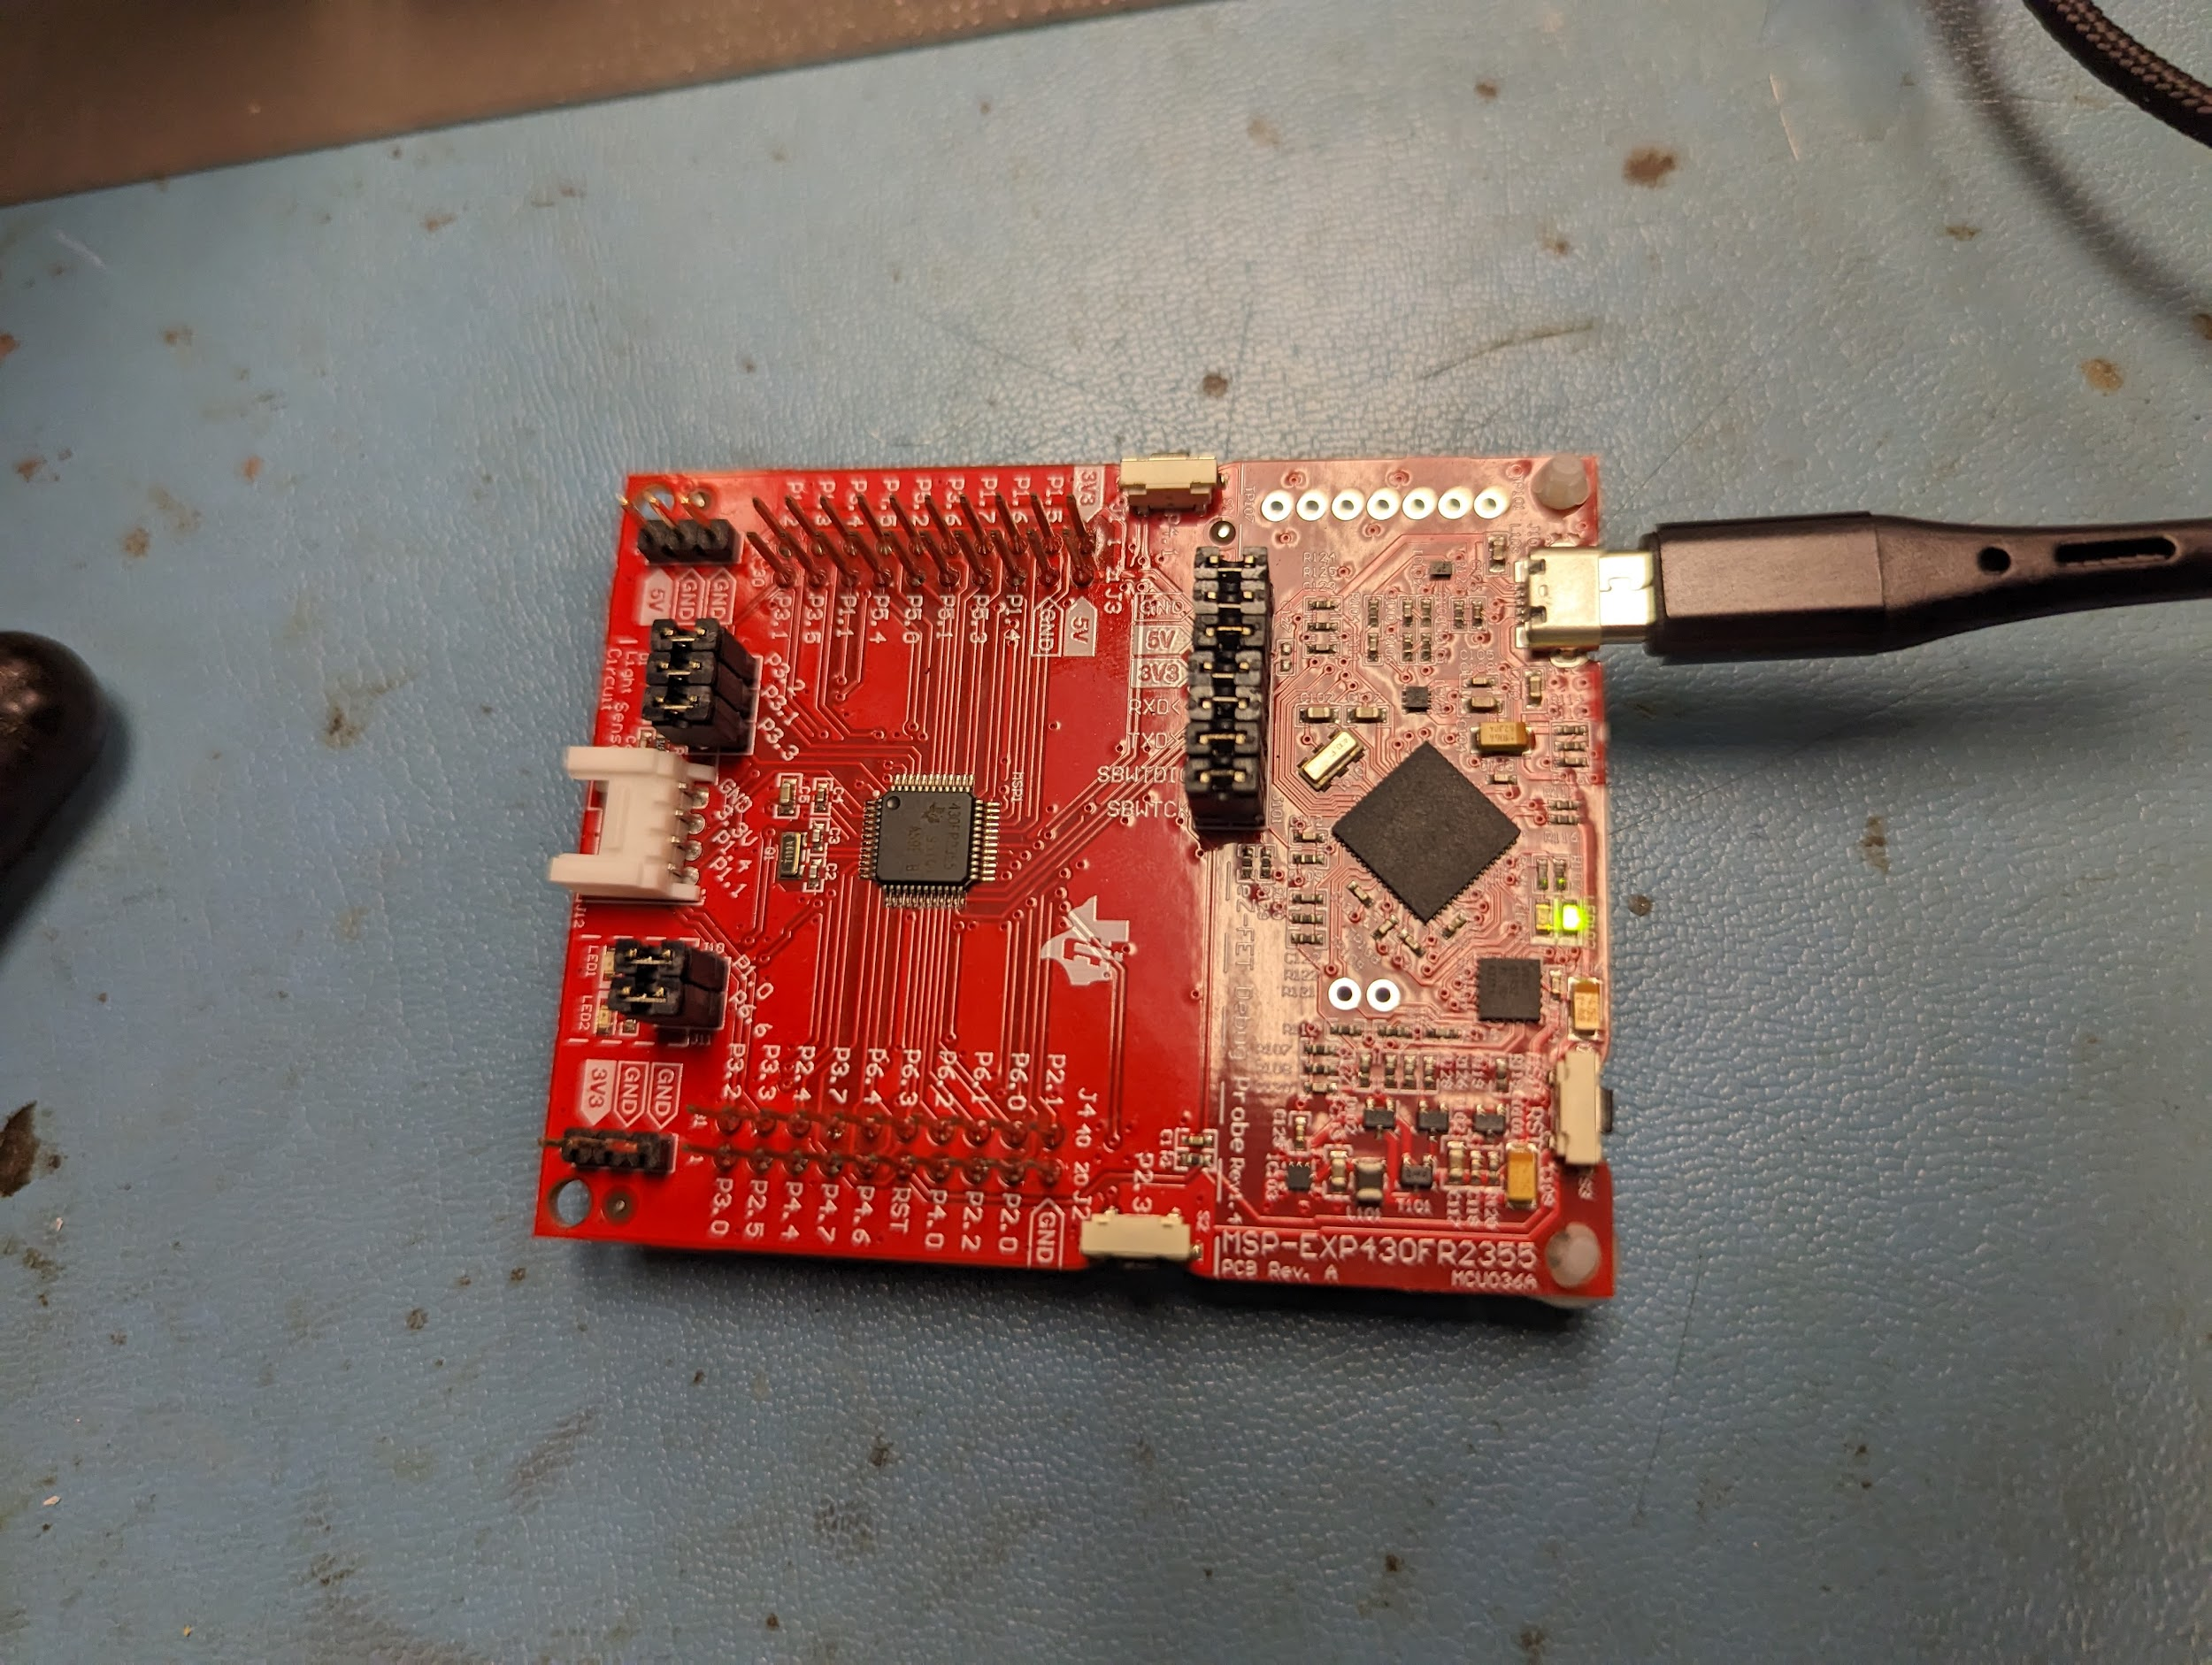
Smart Mesh Board | 1 | Manny | 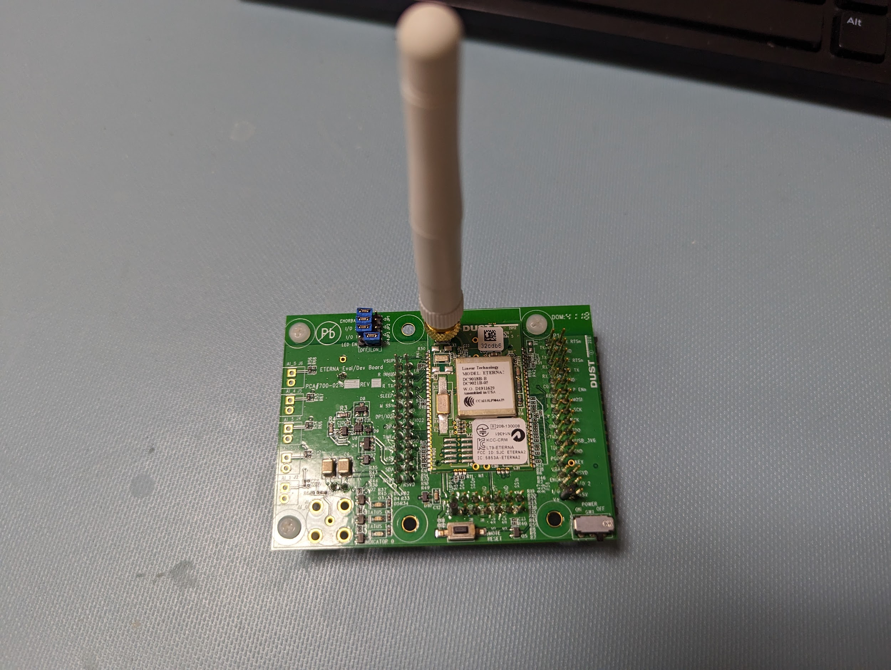
Fan | 1 | Brandon | 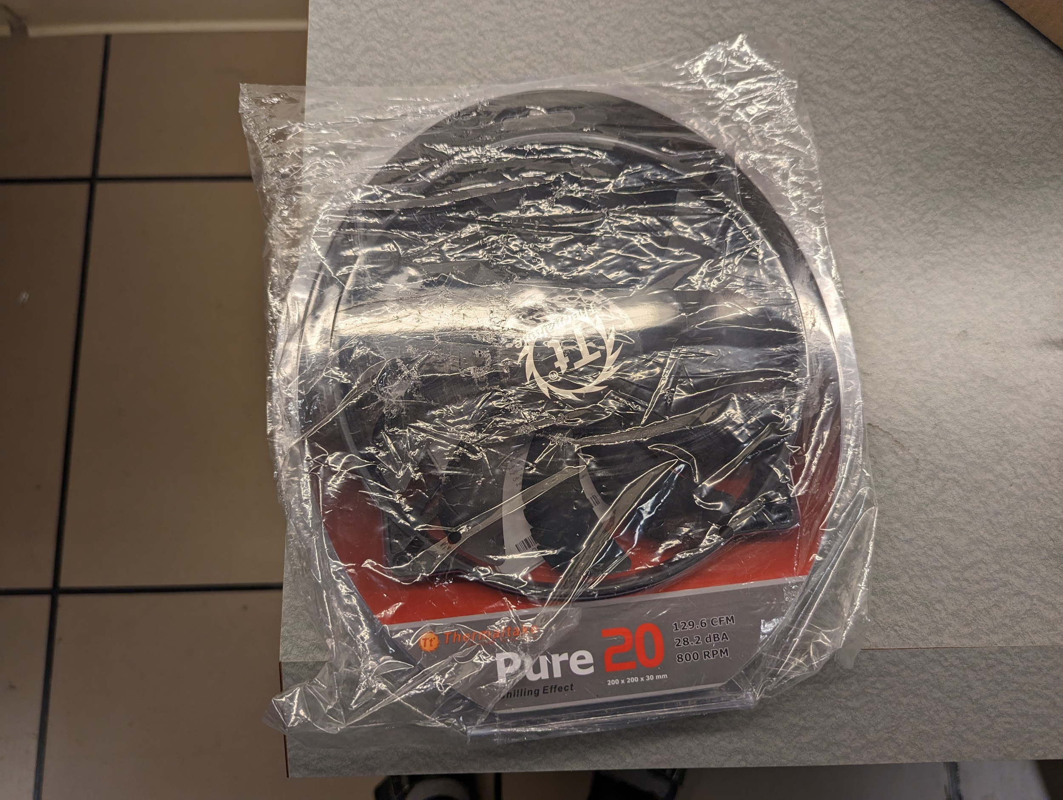
Wall AC to Molex Adapter | 1 | Brandon | 